MA
 | Actual Sales Figure (No. of Units) | Forecast (N = 3) | Forecast (N = 6)
 | 501
 | 429
 | 352
 | 472 | 427.33333333
 | 342 | 417.66666667
 | 367 | 388.66666667
 | 370 | 393.66666667 | 410.5
 | 437 | 359.66666667 | 388.66666667
 | 412 | 391.33333333 | 390
 | 336 | 406.33333333 | 400
 | 388 | 395 | 377.33333333
 | 344 | 378.66666667 | 385
 |  | 356 | 381.16666667
Month | Actual Sales Figure (No. of Units) | Forecast (N = 3) | Absolute deviation (Actual - Forecast) | Absolute percent error [(Actual - Forecast)/Actual] | Forecast (N = 6) | Absolute deviation (Actual - Forecast) | Absolute percent error [(Actual - Forecast)/Actual]
Oct-20 | 501
Nov-20 | 429
Dec-20 | 352
Jan-21 | 472 | 427.33 | 44.67 | 9.46%
Feb-21 | 342 | 417.67 | 75.67 | 22.12%
Mar-21 | 367 | 388.67 | 21.67 | 5.90%
Apr-21 | 370 | 393.67 | 23.67 | 6.40% | 410.50 | 40.50 | 10.95%
May-21 | 437 | 359.67 | 77.33 | 17.70% | 388.67 | 48.33 | 11.06%
Jun-21 | 412 | 391.33 | 20.67 | 5.02% | 390.00 | 22.00 | 5.34%
Jul-21 | 336 | 406.33 | 70.33 | 20.93% | 400.00 | 64.00 | 19.05%
Aug-21 | 388 | 395.00 | 7.00 | 1.80% | 377.33 | 10.67 | 2.75%
Sep-21 | 344 | 378.67 | 34.67 | 10.08% | 385.00 | 41.00 | 11.92%
Oct-21 |  | 356.00 |  |  | 381.17

 |  | MAD | 41.74 |  | MAD | 37.75
 |  | MAPE |  | 11.05% | MAPE |  | 10.18%

Month | Actual Sales Figure (No. of Units) | Forecast (N = 4) | Absolute deviation (Actual - Forecast) | Absolute percent error [(Actual - Forecast)/Actual]
Oct-20 | 501
Nov-20 | 429
Dec-20 | 352
Jan-21 | 472
Feb-21 | 342 | 438.50 | 96.50 | 28.22%
Mar-21 | 367 | 398.75 | 31.75 | 8.65%
Apr-21 | 370 | 383.25 | 13.25 | 3.58%
May-21 | 437 | 387.75 | 49.25 | 11.27%
Jun-21 | 412 | 379.00 | 33.00 | 8.01%
Jul-21 | 336 | 396.50 | 60.50 | 18.01%
Aug-21 | 388 | 388.75 | 0.75 | 0.19%
Sep-21 | 344 | 393.25 | 49.25 | 14.32%
Oct-21 |  | 370.00

 |  | MAD | 41.78
 |  | MAPE |  | 11.53%

WMA
 | Sales Figure (No. of Units) | Forecast (N = 3, Weight: 5,3,1)
 | 501
 | 429
 | 352
 | 472 | 394.22222222
 | 342 | 427.22222222
 | 367 | 386.44444444
 | 370 | 370.33333333
 | 437 | 365.88888889
 | 412 | 406.88888889
 | 336 | 415.66666667
 | 388 | 372.55555556
 | 344 | 373.33333333
 |  | 357.77777778
Month | Sales Figure (No. of Units) | Forecast (N = 3, Weight: 5,3,1) | Absolute deviation (Actual - Forecast) | Absolute percent error [(Actual - Forecast)/Actual]
Oct-20 | 501
Nov-20 | 429
Dec-20 | 352
Jan-21 | 472 | 394.22 | 77.78 | 0.16
Feb-21 | 342 | 427.22 | 85.22 | 0.25
Mar-21 | 367 | 386.44 | 19.44 | 0.05
Apr-21 | 370 | 370.33 | 0.33 | 0.00
May-21 | 437 | 365.89 | 71.11 | 0.16
Jun-21 | 412 | 406.89 | 5.11 | 0.01
Jul-21 | 336 | 415.67 | 79.67 | 0.24
Aug-21 | 388 | 372.56 | 15.44 | 0.04
Sep-21 | 344 | 373.33 | 29.33 | 0.09
Oct-21 |  | 357.78

 |  | MAD | 42.60
 |  | MAPE |  | 11.17%

SES
Month | Sales Figure (No. of Units) | Forecast (alpha = 0.2) | Absolute deviation (Actual - Forecast) | Absolute percent error [(Actual - Forecast)/Actual]
Oct-20 | 501 | 419.20 | 81.80 | 0.16
Nov-20 | 429 | 435.56 | 6.56 | 0.02
Dec-20 | 352 | 434.25 | 82.25 | 0.23
Jan-21 | 472 | 417.80 | 54.20 | 0.11
Feb-21 | 342 | 428.64 | 86.64 | 0.25
Mar-21 | 367 | 411.31 | 44.31 | 0.12
Apr-21 | 370 | 402.45 | 32.45 | 0.09
May-21 | 437 | 395.96 | 41.04 | 0.09
Jun-21 | 412 | 404.17 | 7.83 | 0.02
Jul-21 | 336 | 405.73 | 69.73 | 0.21
Aug-21 | 388 | 391.79 | 3.79 | 0.01
Sep-21 | 344 | 391.03 | 47.03 | 0.14
Oct-21 |  | 381.62

 |  | MAD | 46.47
 |  | MAPE |  | 12.13%

Month | Sales Figure (No. of Units) | Forecast (alpha = 0.7) | Absolute deviation (Actual - Forecast) | Absolute percent error [(Actual - Forecast)/Actual]
Oct-20 | 501 | 419.20 | 81.80 | 0.16
Nov-20 | 429 | 476.46 | 47.46 | 0.11
Dec-20 | 352 | 443.24 | 91.24 | 0.26
Jan-21 | 472 | 379.37 | 92.63 | 0.20
Feb-21 | 342 | 444.21 | 102.21 | 0.30
Mar-21 | 367 | 372.66 | 5.66 | 0.02
Apr-21 | 370 | 368.70 | 1.30 | 0.00
May-21 | 437 | 369.61 | 67.39 | 0.15
Jun-21 | 412 | 416.78 | 4.78 | 0.01
Jul-21 | 336 | 413.43 | 77.43 | 0.23
Aug-21 | 388 | 359.23 | 28.77 | 0.07
Sep-21 | 344 | 379.37 | 35.37 | 0.10
Oct-21 |  | 354.61

 |  | MAD | 53.00
 |  | MAPE |  | 13.50%

Product B
 | Sales Figure (No. of Units) | (MA, N = 3) | WMA (5,3,1) | SES (0.2)
 | 446 |  |  | 607.20
 | 517 |  |  | 574.96
 | 604 |  |  | 563.37
 | 697 | 522.33333333 | 557.44 | 571.49
 | 772 | 606 | 646.00 | 596.60
 | 876 | 691 | 728.33 | 631.68
 | 931 | 781.66666667 | 821.44 | 680.54
 | 1017 | 859.66666667 | 895.00 | 730.63
 | 1103 | 941.33333333 | 972.67 | 787.91
 | 1296 | 1017 | 1055.22 | 850.93
 | 1535 | 1138.6666667 | 1200.67 | 939.94
 | 1700 | 1311.3333333 | 1407.33 | 1058.95
 |  | 1510.3333333 | 1600.11 | 1187.16
Month | Sales Figure (No. of Units) | (MA, N = 3) | WMA (5,3,1) | SES (0.2)
Oct-20 | 446 |  |  | 607.20
Nov-20 | 517 |  |  | 574.96
Dec-20 | 604 |  |  | 563.37
Jan-21 | 697 | 522.33 | 557.44 | 571.49
Feb-21 | 772 | 606.00 | 646.00 | 596.60
Mar-21 | 876 | 691.00 | 728.33 | 631.68
Apr-21 | 931 | 781.67 | 821.44 | 680.54
May-21 | 1017 | 859.67 | 895.00 | 730.63
Jun-21 | 1103 | 941.33 | 972.67 | 787.91
Jul-21 | 1296 | 1017.00 | 1055.22 | 850.93
Aug-21 | 1535 | 1138.67 | 1200.67 | 939.94
Sep-21 | 1700 | 1311.33 | 1407.33 | 1058.95
Oct-21 |  | 1510.33 | 1600.11 | 1187.16

LR
Sales Price (SGD) | Mileage (km)
$81,048 | 9927
$72,248 | 34947
$64,258 | 52178
$77,088 | 26817
$66,448 | 42047
$76,248 | 34147
$76,248 | 25003
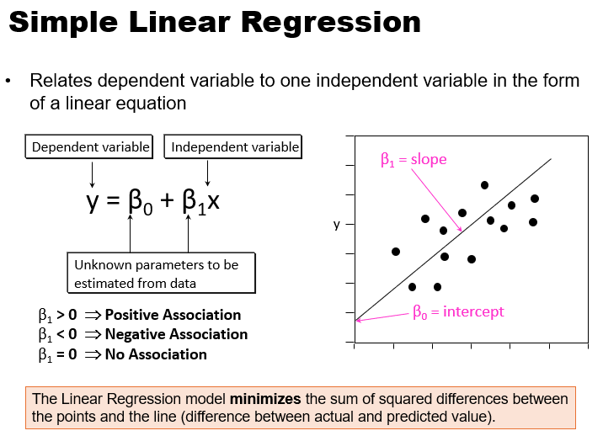
$73,048 | 34159
$70,648 | 43017
$81,128 | 12378
$68,448 | 46168
$75,848 | 28947

x (independent variable) | y (dependent variable)
Mileage (km) | Sales Price (SGD) | Forecasted Sales Prices | AD
9927 | $81,048 | 82574.19 | 1526.19
34947 | $72,248 | 72571.19 | 323.19
52178 | $64,258 | 65682.24 | 1424.24
26817 | $77,088 | 75821.56 | 1266.44
42047 | $66,448 | 69732.61 | 3284.61
34147 | $76,248 | 72891.03 | 3356.97
25003 | $76,248 | 76546.80 | 298.80
34159 | $73,048 | 72886.23 | 161.77
43017 | $70,648 | 69344.80 | 1303.20
12378 | $81,128 | 81594.28 | 466.28
46168 | $68,448 | 68085.03 | 362.97
28947 | $75,848 | 74969.99 | 878.01
 |  | MAD | 1221.05

 |  |  |  | -0.3998 | (β1, Slope)
 |  |  |  | 86543 | (β0, Intercept)

Holt's & LR
Linear Regression
Year | Period | Percentage of Senior Citizen | Forecast for Linear Regression | AD

1960 | 1 | 4.1 | 3.3022 | 0.80
1965 | 2 | 4.2 | 3.7121 | 0.49
1970 | 3 | 4.2 | 4.1220 | 0.08
1975 | 4 | 4.2 | 4.5319 | 0.33
1980 | 5 | 4.6 | 4.9418 | 0.34
1985 | 6 | 5.1 | 5.3516 | 0.25
1990 | 7 | 5.5 | 5.7615 | 0.26
1995 | 8 | 5.7 | 6.1714 | 0.47
2000 | 9 | 6.1 | 6.5813 | 0.48
2005 | 10 | 6.3 | 6.9912 | 0.69
2010 | 11 | 6.9 | 7.4011 | 0.50
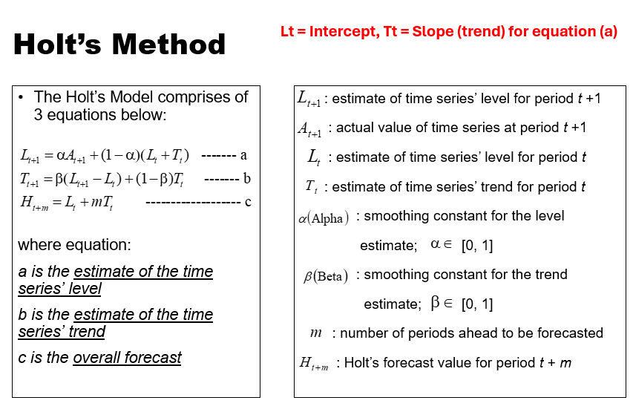
2015 | 12 | 8.5 | 7.8110 | 0.69
2020 | 13 | 9.5 | 8.2209 | 1.28
2025 | 14 | ???
2030 | 15 | ???

Holt's Method
Year | Period | Percentage of Senior Citizen | L0 | T0 | Forecast for Holts | 2.8923 | 0.4099 | Forecast for Holts (Ht)

1960 | 1 | 4.1 | L1 | T1 | H1 | 3.8607 | 0.5216 | 3.3022
1965 | 2 | 4.2 | L2 | T2 | H2 | 4.2547 | 0.4961 | 4.3822
1970 | 3 | 4.2 | L3 | T3 | H3 | 4.3652 | 0.4190 | 4.7507
1975 | 4 | 4.2 | L4 | T4 | H4 | 4.3753 | 0.3372 | 4.7842
1980 | 5 | 4.6 | L5 | T5 | H5 | 4.6337 | 0.3214 | 4.7124
1985 | 6 | 5.1 | L6 | T6 | H6 | 5.0566 | 0.3417 | 4.9552
1990 | 7 | 5.5 | L7 | T7 | H7 | 5.4695 | 0.3560 | 5.3983
1995 | 8 | 5.7 | L8 | T8 | H8 | 5.7376 | 0.3384 | 5.8254
2000 | 9 | 6.1 | L9 | T9 | H9 | 6.0928 | 0.3418 | 6.0760
2005 | 10 | 6.3 | L10 | T10 | H10 | 6.3404 | 0.3229 | 6.4346
2010 | 11 | 6.9 | L11 | T11 | H11 | 6.8290 | 0.3561 | 6.6633
2015 | 12 | 8.5 | L12 | T12 | H12 | 8.1055 | 0.5401 | 7.1850
2020 | 13 | 9.5 | L13 | T13 | H13 | 9.2437 | 0.6598 | 8.6457
2025 | 14 | ??? |  |  | H14
2030 | 15 | ???

Alpha | 0.7
Beta | 0.2

Holt's & LR (HC)
Percentage of Senior Citizen
Percentage of Senior Citizens
Linear Regression
Year | Period | Percentage of Senior Citizen | Linear Regression Forecast | AD | APE |  |  |  | MAD | 0.51
 |  |  |  |  |  |  |  |  | MAPE | 8.76%
1960 | 1 | 4.1 | 3.3022 | 0.80 | 19.46%
1965 | 2 | 4.2 | 3.7121 | 0.49 | 11.62%
1970 | 3 | 4.2 | 4.1220 | 0.08 | 1.86%
1975 | 4 | 4.2 | 4.5319 | 0.33 | 7.90%
1980 | 5 | 4.6 | 4.9418 | 0.34 | 7.43%
1985 | 6 | 5.1 | 5.3516 | 0.25 | 4.93%
1990 | 7 | 5.5 | 5.7615 | 0.26 | 4.76%
1995 | 8 | 5.7 | 6.1714 | 0.47 | 8.27%
2000 | 9 | 6.1 | 6.5813 | 0.48 | 7.89%
2005 | 10 | 6.3 | 6.9912 | 0.69 | 10.97%
2010 | 11 | 6.9 | 7.4011 | 0.50 | 7.26%
2015 | 12 | 8.5 | 7.8110 | 0.69 | 8.11%
2020 | 13 | 9.5 | 8.2209 | 1.28 | 13.46%
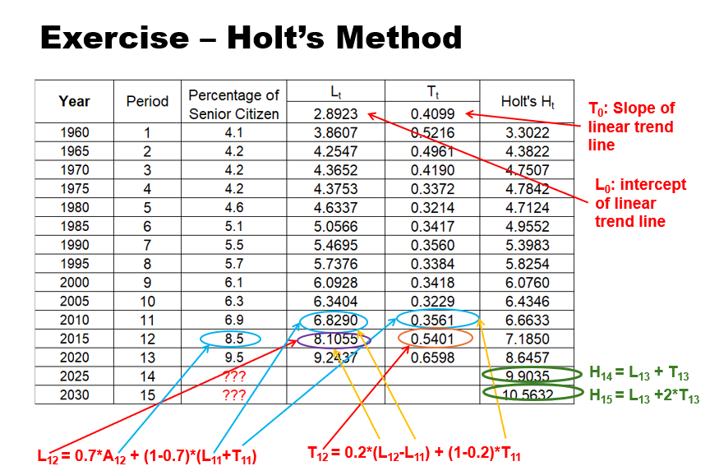
2025 | 14 | ??? | 8.6308
2030 | 15 | ??? | 9.0407
 |  |  |  |  | L0 | T0
Holt's Method
Year | Period | Percentage of Senior Citizen | Lt (a) [Intercept] | Tt (b) [Slope] | Holt's Ht (c) |  | AD | APE
 |  |  | 2.8923 | 0.4099
1960 | 1 | 4.1 | 3.8607 | 0.5216 | 3.3022 | H1 | 0.80 | 19.46% | MAD | 0.40
1965 | 2 | 4.2 | 4.2547 | 0.4961 | 4.3822 | H2 | 0.18 | 4.34% | MAPE | 6.97%
1970 | 3 | 4.2 | 4.3652 | 0.4190 | 4.7507 | H3 | 0.55 | 13.11%
1975 | 4 | 4.2 | 4.3753 | 0.3372 | 4.7842 | H4 | 0.58 | 13.91%
1980 | 5 | 4.6 | 4.6337 | 0.3214 | 4.7124 | H5 | 0.11 | 2.44%
1985 | 6 | 5.1 | 5.0566 | 0.3417 | 4.9552 | H6 | 0.14 | 2.84%
1990 | 7 | 5.5 | 5.4695 | 0.3560 | 5.3983 | H7 | 0.10 | 1.85%
1995 | 8 | 5.7 | 5.7376 | 0.3384 | 5.8254 | H8 | 0.13 | 2.20%
2000 | 9 | 6.1 | 6.0928 | 0.3418 | 6.0760 | H9 | 0.02 | 0.39%
2005 | 10 | 6.3 | 6.3404 | 0.3229 | 6.4346 | H10 | 0.13 | 2.14%
2010 | 11 | 6.9 | 6.8290 | 0.3561 | 6.6633 | H11 | 0.24 | 3.43%
2015 | 12 | 8.5 | 8.1055 | 0.5401 | 7.1850 | H12 | 1.31 | 15.47%
2020 | 13 | 9.5 | 9.2437 | 0.6598 | 8.6457 | H13 | 0.85 | 8.99%
2025 | 14 | ??? |  |  | 9.9035 | H14
2030 | 15 | ??? |  |  | 10.5632 | H15

Alpha | 0.7
Beta | 0.2

